Print Page 1
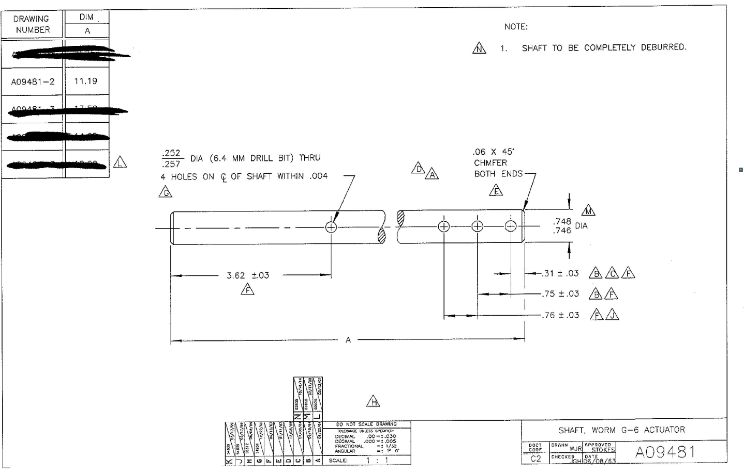

6
7a
7b

1

2
3

4

5

Tolerance Table
